Benefits Only LCA
Syracuse District Energy

Baseline LCA Calculation

Total buildings square footage | Blended Electric Rate | Gas Utility Rate
 | ($/kWh) | ($/therm) |  |  |  | System Efficiency Degredation/year |  | 0.25%
9,032,610 | $0.085 | $0.57 |  |  |  | General Inflation Rate (%) |  | 3.0%
 |  |  |  |  |  | Utility Inflation Rate (%) |  | 5.0%
 |  |  |  |  |  | Electric CO₂ Equivalency (kg/kWh) |  | 0.3
25 Year Energy Savings | 25 Year tCO2e Reduction |  |  |  |  | Gas CO₂ Equivalency (ton/MMBtu) |  | 0.0548
$5,933,719 | 98,506

25 Year Energy Consumption Comparison (Direct Benefit)
Nat Gas Energy Savings (Therms) | 1,120,506
Baseline Scenario Electric Energy Savings (kWh) | 11,184,094
Natural Gas Utility Rate ($/Therm) | $0.57
Electric Utility Rate ($/kWh) | $0.085
 | Estimated First Cost | Year 0 | Year 1 | Year 2 | Year 3 | Year 4 | Year 5 | Year 6 | Year 7 | Year 8 | Year 9 | Year 10 | Year 11 | Year 12 | Year 13 | Year 14 | Year 15 | Year 16 | Year 17 | Year 18 | Year 19 | Year 20 | Year 21 | Year 22 | Year 23 | Year 24 | Year 25 | Total | Average
 |  | 0 | 1 | 2 | 3 | 4 | 5 | 6 | 7 | 8 | 9 | 10 | 11 | 12 | 13 | 14 | 15 | 16 | 17 | 18 | 19 | 20 | 21 | 22 | 23 | 24 | 25
Gas Cost ($) | $638,689 |  |  | $348,956 | $776,330 | $815,147 | $855,904 | $898,699 | $943,634 | $990,816 | $1,040,357 | $1,092,374 | $1,146,993 | $1,204,343 | $1,264,560 | $1,327,788 | $1,394,177 | $1,463,886 | $1,537,080 | $1,613,934 | $1,694,631 | $1,779,363 | $1,868,331 | $1,961,747 | $2,059,835 | $2,162,827 | $2,270,968 | $2,384,516 | $1,326,054.77
Electric Cost ($) | $950,648 |  |  | $519,399 | $1,155,519 | $1,213,294 | $1,273,959 | $1,337,657 | $1,404,540 | $1,474,767 | $1,548,505 | $1,625,931 | $1,707,227 | $1,792,589 | $1,882,218 | $1,976,329 | $2,075,145 | $2,178,903 | $2,287,848 | $2,402,240 | $2,522,352 | $2,648,470 | $2,780,893 | $2,919,938 | $3,065,935 | $3,219,231 | $3,380,193 | $3,549,203 | $1,973,749.19
Total Customer Energy Savings ($) | $1,589,337 |  |  | $868,356 | $1,931,849 | $2,028,441 | $2,129,863 | $2,236,356 | $2,348,174 | $2,465,583 | $2,588,862 | $2,718,305 | $2,854,220 | $2,996,931 | $3,146,778 | $3,304,117 | $3,469,323 | $3,642,789 | $3,824,928 | $4,016,175 | $4,216,983 | $4,427,832 | $4,649,224 | $4,881,685 | $5,125,770 | $5,382,058 | $5,651,161 | $5,933,719 | $3,299,803.97

Operations and Maintenance (Direct Benefit)
 | Estimated First Cost | Year 0 | Year 1 | Year 2 | Year 3 | Year 4 | Year 5 | Year 6 | Year 7 | Year 8 | Year 9 | Year 10 | Year 11 | Year 12 | Year 13 | Year 14 | Year 15 | Year 16 | Year 17 | Year 18 | Year 19 | Year 20 | Year 21 | Year 22 | Year 23 | Year 24 | Year 25 | Total Cost | Average
 |  | 0 | 1 | 2 | 3 | 4 | 5 | 6 | 7 | 8 | 9 | 10 | 11 | 12 | 13 | 14 | 15 | 16 | 17 | 18 | 19 | 20 | 21 | 22 | 23 | 24 | 25
Avoided Customer O&M - Baseline Scenario | $30,000 |  |  | $16,391 | $33,765 | $34,778 | $35,822 | $36,896 | $38,003 | $39,143 | $40,317 | $41,527 | $42,773 | $44,056 | $45,378 | $46,739 | $48,141 | $49,585 | $51,073 | $52,605 | $54,183 | $55,809 | $57,483 | $59,208 | $60,984 | $62,813 | $64,698 | $1,112,171 | $46,340

Carbon Reduction Social Benefit (Indirect Benefit)
CO₂ Emissions - Electricity(tons) | 3,355
CO₂ Emissions - NG(tons) | 6,140
Associated Methane Leakage (tons) | 80 |  |  | -0.94% | -9.61%

 | Estimated First Cost | Year 0 | Year 1 | Year 2 | Year 3 | Year 4 | Year 5 | Year 6 | Year 7 | Year 8 | Year 9 | Year 10 | Year 11 | Year 12 | Year 13 | Year 14 | Year 15 | Year 16 | Year 17 | Year 18 | Year 19 | Year 20 | Year 21 | Year 22 | Year 23 | Year 24 | Year 25 | Total
 |  | 0 | 1 | 2 | 3 | 4 | 5 | 6 | 7 | 8 | 9 | 10 | 11 | 12 | 13 | 14 | 15 | 16 | 17 | 18 | 19 | 20 | 21 | 22 | 23 | 24 | 25
Total Ton Reduction |  |  | 9,575 | 9,098 | 8,619 | 8,138 | 7,654 | 7,167 | 6,678 | 6,186 | 5,692 | 5,196 | 4,697 | 4,195 | 3,691 | 3,184 | 2,675 | 2,163 | 1,649 | 1,132 | 613 | 83 | 84 | 84 | 84 | 84 | 84 | 98,506
Carbon Reduction Social Benefit | $1,382,616 |  | $1,382,616 | $1,341,480 | $1,307,665 | $1,263,649 | $1,217,845 | $1,177,879 | $1,129,080 | $1,077,028 | $1,030,782 | $977,141 | $925,892 | $863,540 | $807,415 | $749,353 | $689,340 | $619,111 | $555,136 | $489,171 | $421,201 | $341,797 | $351,009 | $360,265 | $369,565 | $370,489 | $379,856 | $20,198,304
 |  |  |  | -5.2% | -5.6% | -5.9% | -6.3% | -6.8% | -7.3% | -7.9% | -8.7% | -9.6% | -10.6% | -12.0% | -13.7% | -15.9% | -19.0% | -23.7% | -31.2% | -45.7% | -84.8%
Equipment Replacement Cost at the End of Equipment Life (Direct Benefit)
 | Total Cost of Recondition | At 10% per Year
Tower Costs - Baseline Scenario | $0 | $0
Boiler Costs - Baseline Scenario | $229,881 | $22,988
Total Cost - Baseline Scenario | $229,881 | $22,988

1
2 | -5.2%
3 | -5.6%
4 | -5.9%
5 | -6.3%
6 | -6.8%
7 | -7.3%
8 | -7.9%
9 | -8.7%
10 | -9.6%
11 | -10.6%
12 | -12.0%
13 | -13.7%
14 | -15.9%
15 | -19.0%
16 | -23.7%
17 | -31.2%
18 | -45.7%
19 | -84.8%
20
 | Estimated First Cost | Year 0 | Year 1 | Year 2 | Year 3 | Year 4 | Year 5 | Year 6 | Year 7 | Year 8 | Year 9 | Year 10 | Year 11 | Year 12 | Year 13 | Year 14 | Year 15 | Year 16 | Year 17 | Year 18 | Year 19 | Year 20 | Year 21 | Year 22 | Year 23 | Year 24 | Year 25 | Total Cost
 |  | 0 | 1 | 2 | 3 | 4 | 5 | 6 | 7 | 8 | 9 | 10 | 11 | 12 | 13 | 14 | 15 | 16 | 17 | 18 | 19 | 20 | 21 | 22 | 23 | 24 | 25
Tower Recondition Costs - Baseline Scenario | $0 |  |  | $0 | $0 | $0 | $0 | $0 | $0 | $0 | $0 | $0 | $0 | $0 | $0 | $0 | $0 | $0 | $0 | $0 | $0 | $0 | $0 | $0 | $0 | $0 | $0 | $0
Boiler Replacement Costs - Baseline Scenario | $22,988 |  |  | $12,560 | $25,873 | $26,650 | $27,449 | $28,272 | $29,121 | $29,994 | $30,894 | $31,821 | $32,776 | $33,759 | $34,772 | $35,815 | $36,889 | $37,996 | $39,136 | $40,310 | $41,519 | $42,765 | $44,048 | $45,369 | $46,730 | $48,132 | $49,576 | $852,224
Total Avoided Customer Equipment Recondition | $22,988 |  |  | $12,560 | $25,873 | $26,650 | $27,449 | $28,272 | $29,121 | $29,994 | $30,894 | $31,821 | $32,776 | $33,759 | $34,772 | $35,815 | $36,889 | $37,996 | $39,136 | $40,310 | $41,519 | $42,765 | $44,048 | $45,369 | $46,730 | $48,132 | $49,576 | $852,224

Baseline Cashflow | $3,024,941 | $0 | $1,382,616 | $2,238,786 | $3,299,152 | $3,353,518 | $3,410,979 | $3,479,404 | $3,544,378 | $3,611,749 | $3,690,856 | $3,768,794 | $3,855,661 | $3,938,286 | $4,034,342 | $4,136,023 | $4,243,693 | $4,349,481 | $4,470,273 | $4,598,260 | $4,733,886 | $4,868,203 | $5,101,764 | $5,346,527 | $5,603,048 | $5,863,492 | $6,145,291 | $103,068,461

Discount Rate | 7.0%
Net Present Value Life Cycle Cost | $42,604,043

Fuel Indices
Syracuse District Energy

Fuel Indices

 |  | E(0.09) G(0.7) | E(0.10) G(0.8) | E(0.11) G(0.9) | E(0.12) G(1.0) |  | 2021 | 2022 | 2023 | 2024 | 2025 | 2026 | 2027 | 2028 | 2029 | 2030 | 2031 | 2032 | 2033 | 2034 | 2035 | 2036 | 2037 | 2038 | 2039 | 2040 | 2041 | 2042 | 2043 | 2044 | 2045
Discount | 7% | 1 | 2 | 2 | 4 | Electricity | 1 | 1.07 | 1.13 | 1.20 | 1.29 | 1.37 | 1.46 | 1.54 | 1.63 | 1.7 | 1.79 | 1.88 | 2.0 | 2.12 | 2.24 | 2.34 | 2.45 | 2.57 | 2.69 | 2.84 | 2.99 | 3.18 | 3.33 | 3.51 | 3.69
Rate | 6% | 3 | 4 | 3 | 5 | Natural Gas | 1 | 1.05 | 1.08 | 1.09 | 1.14 | 1.21 | 1.27 | 1.34 | 1.42 | 1.5 | 1.57 | 1.65 | 1.74 | 1.84 | 1.93 | 2.03 | 2.13 | 2.23 | 2.34 | 2.46 | 2.59 | 2.71 | 2.85 | 2.99 | 3.14
 | 5% | 5 | 6 | 5 | 8
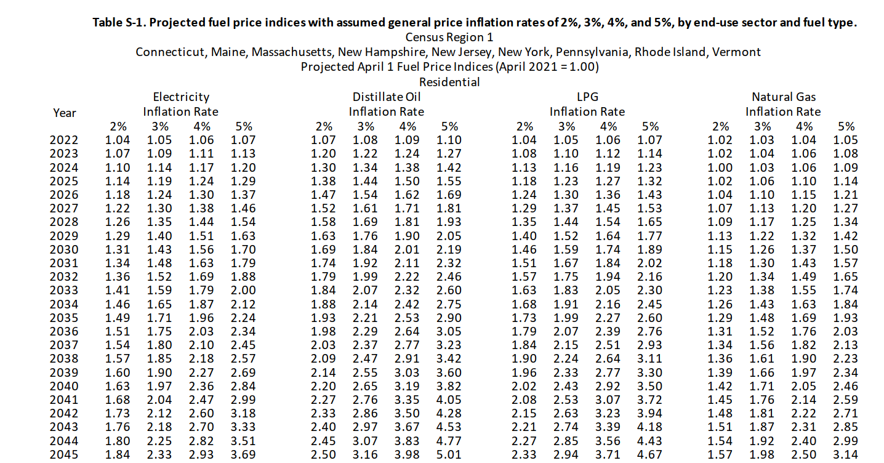
 | 4% | 6 | 8 | 7 | 10
 | 3% | 7 | 9 | 11 | 12

Cost of Carbon
Syracuse District Energy

Cost of Carbon

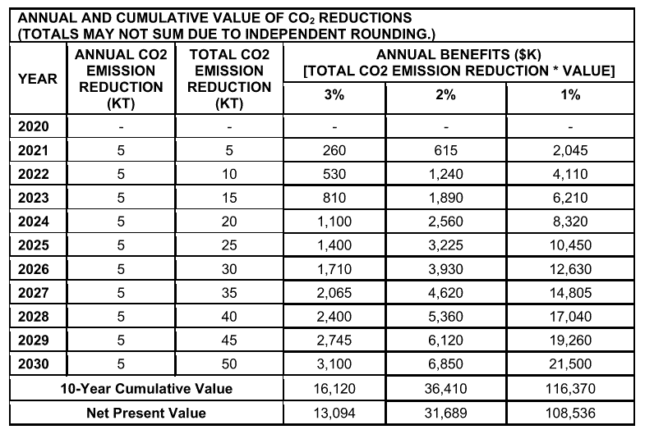
Social Cost of Carbon
 | https://www.dec.ny.gov/docs/administration_pdf/vocguidrev.pdf
 |  |  |  |  | Year |  | Total CO2 | Annual Benefit | Benefit Rate | Methane
 |  |  |  |  |  |  | (tons) | ($) | ($)
 |  |  |  |  | 2020 | 0
 |  |  |  |  | 2021 | 1 | 5,000 | $615,000 | $123 | 2,700
 |  |  |  |  | 2022 | 2 | 10,000 | $1,240,000 | $124 | 2,800
 |  |  |  |  | 2023 | 3 | 15,000 | $1,890,000 | $126 | 2,900
 |  |  |  |  | 2024 | 4 | 20,000 | $2,560,000 | $128 | 2,900
 |  |  |  |  | 2025 | 5 | 25,000 | $3,225,000 | $129 | 3,000
 |  |  |  |  | 2026 | 6 | 30,000 | $3,930,000 | $131 | 3,100
 |  |  |  |  | 2027 | 7 | 35,000 | $4,620,000 | $132 | 3,200
 |  |  |  |  | 2028 | 8 | 40,000 | $5,360,000 | $134 | 3,200
 |  |  |  |  | 2029 | 9 | 45,000 | $6,120,000 | $136 | 3,300
 |  |  |  |  | 2030 | 10 | 50,000 | $6,850,000 | $137 | 3,400
 |  |  |  |  | 2031 | 11 |  |  | $139 | 3,500
 |  |  |  |  | 2032 | 12 |  |  | $140 | 3,500
 |  |  |  |  | 2033 | 13 |  |  | $142 | 3,600 | Benefit Rate Regression
 |  |  |  |  | 2034 | 14 |  |  | $144 | 3,700 | X | Const
 |  |  |  |  | 2035 | 15 |  |  | $145 | 3,800 | 1.6 | 121.2
 |  |  |  |  | 2036 | 16 |  |  | $147 | 3,800
 |  |  |  |  | 2037 | 17 |  |  | $148 | 3,900
 |  |  |  |  | 2038 | 18 |  |  | $150 | 4,000
 |  |  |  |  | 2039 | 19 |  |  | $152 | 4,100
 |  |  |  |  | 2040 | 20 |  |  | $153 | 4,100
 |  |  |  |  | 2041 | 21 |  |  | $155 | 4,200
 |  |  |  |  | 2042 | 22 |  |  | $156 | 4,300
 |  |  |  |  | 2043 | 23 |  |  | $158 | 4,400
 |  |  |  |  | 2044 | 24 |  |  | $160 | 4,400
 |  |  |  |  | 2045 | 25 |  |  | $161 | 4,500

 |  |  |  |  | Year | kg/kWh | tons/MMBtu
 |  |  |  | 1 | 2021 | 0.30 | 0.055
 |  |  |  | 2 | 2022 | 0.28 | 0.052
 |  |  |  | 3 | 2023 | 0.27 | 0.049
 |  |  |  | 4 | 2024 | 0.25 | 0.046
 |  |  |  | 5 | 2025 | 0.24 | 0.043
 |  |  |  | 6 | 2026 | 0.22 | 0.040
 |  |  |  | 7 | 2027 | 0.21 | 0.037
 |  |  |  | 8 | 2028 | 0.19 | 0.035
 |  |  |  | 9 | 2029 | 0.17 | 0.032
 |  |  |  | 10 | 2030 | 0.16 | 0.029
 |  |  |  | 11 | 2031 | 0.14 | 0.026
 |  |  |  | 12 | 2032 | 0.13 | 0.023
 |  |  |  | 13 | 2033 | 0.11 | 0.020
 |  |  |  | 14 | 2034 | 0.09 | 0.017
 |  |  |  | 15 | 2035 | 0.08 | 0.014
 |  | Regression - kWh |  | 16 | 2036 | 0.06 | 0.012
 |  | X | Const | 17 | 2037 | 0.05 | 0.009
 |  | -0.015789473684 | 0.31578947368 | 18 | 2038 | 0.03 | 0.006
 |  |  |  | 19 | 2039 | 0.02 | 0.003
 |  | Regression - MMBtu |  |  | 2040 | 0 | 0.000
 |  | X | Const |  | 2041 | 0 | 0.000
 |  | -0.0028842105263 | 0.057684210526 |  | 2042 | 0 | 0.000
 |  |  |  |  | 2043 | 0 | 0.000
 |  |  |  |  | 2044 | 0 | 0.000
 |  |  |  |  | 2045 | 0 | 0.000

