Electric Vehicles
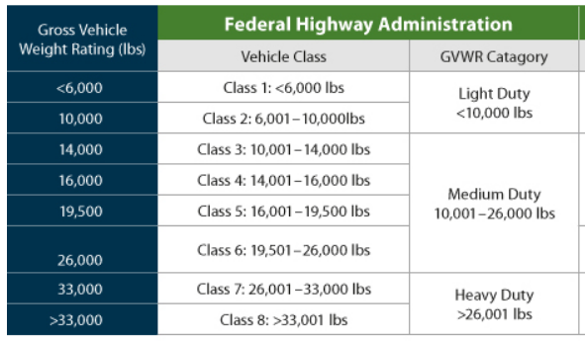
Vehicle Type (pick from dropdown) | Vehicle Class (1-8) -scroll to the right for reference table | Vehicle Year | Vehicle Make | Vehicle Model | Currently Active? | Current Miles | VIN | Approximate date the equipment was made operational | Vehicle Purpose

