Residential PV Calculator
NY-Sun Solar PV Generation, Cost, and Payback Calculator
Version 1.1 - Using Utility rates from 2015-2017

Project Inputs - Fill Out Yellow Cells

Year 1 Solar Energy Production | 4000 |  | kWh
Annual Degradation Factor | 0.50%

Customer Type | Residential (SC-1)
Electric Utility Company | National Grid Zone E |  | View Map
Utility Rate | $0.1030 |  | per kWh
Annual Real Increase on Utility Retail Rate | 2.0% |  | per year
Inflation Rate | 2.1% |  | per year
PV Project Installation Year | 2018

Purchase Type | Purchase
Total Project Cost After All Incentives | $5,000.00
 | 0.00% | 1.00% | N/A if Purchase

Project Outputs

Value of 20 Years of PV Generation | $7,776 |  | Meets NY-Sun Affordable Solar cost-effectiveness criteria?
Project Cost After All Incentives | $5,000
Return on Investment Over 20 Year Term | 56%
Levelized Cost of Energy Over 20 Year Yerm | $0.07 |  | Yes
Simple Payback in Years | 12.1
Cumulative Cashflow: Utility Bill Savings Minus Solar Payments
2018 | $(4,588)
2019 | $(4,170)
2020 | $(3,746)
2021 | $(3,315)
2022 | $(2,878)
2023 | $(2,435)
2024 | $(1,985)
2025 | $(1,528)
2026 | $(1,065)
2027 | $(594)
2028 | $(117)
2029 | $367
2030 | $858
2031 | $1,356
2032 | $1,861
2033 | $2,374
2034 | $2,895
2035 | $3,422
2036 | $3,958
2037 | $4,501

NYSERDA makes no claim to and does not guarantee the accuracy of project revenue estimated by this calculator. Estimated project revenue modeled in this tool is heavily dependent on user-input factors, including annual kWh production; actual project revenue will be based on various factors, such as weather and future market rates for energy and capacity. Projected revenues should not be relied upon.

NYSIO Load Zone Map
NY-Sun Solar PV Generation, Cost, and Payback Calculator
Version 1.1 - Using Utility rates from 2015-2017
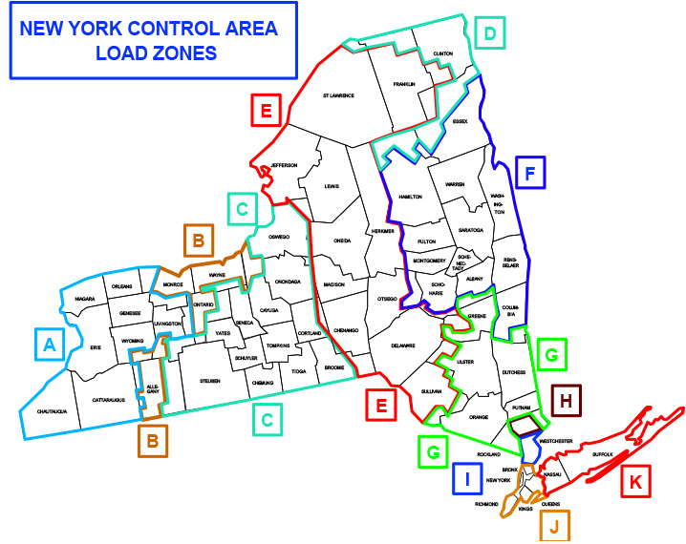

 | < Back to Inputs

